Sheet1
 |  | Document No. | Issue No. | Issue Date |  | Review and Replace Date |  | Authorised By
 |  | GFF012MC | 1 | 2022-04-08 |  | New issue
 |  | Document Title | GC- 10 Vegetable Samosa | 1000G- High Risk
 |  |  |  |  |  |  |  | Magda Shah
Document amendments reason for change |  | New Issue | Page 1 of 1 |  | Previous Issue Date |  | New issue | Uncontrolled copy unless signed original

CVSAL-B10T | Gazebo (BULK-SNACKS) |  | GC- 10 Vegetable Samosa | 1000G
STEP 1 |  |  |  |  | STEP 2
 |  |  |  |  | 

Tray: Transparent Tray 596-HW308/60-8263-PKNUT001-05 |  |  |  |  | Vegetable Samosa Large (GFF003R): 100g 10 Pieces (1000g)
Film: PP340 AF 340mm X 500m AF Weld PP(PKPRO001-15)
STEP 3
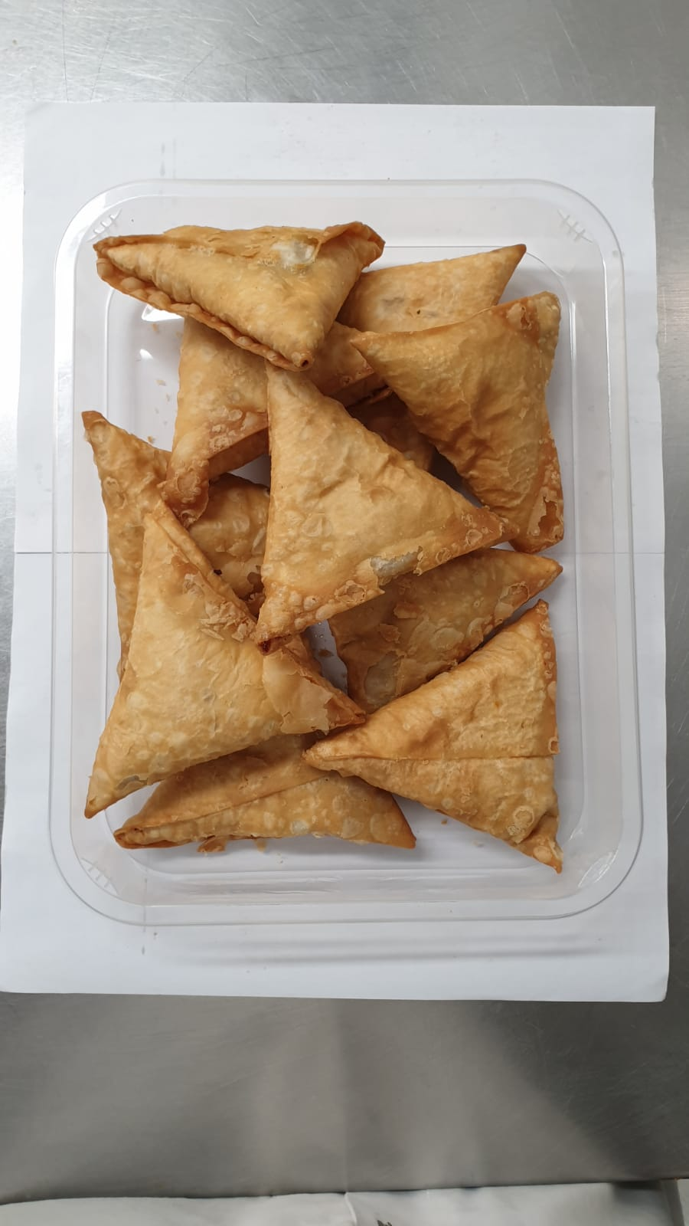

TOTAL WEIGHT: 1000g

ALLERGY ALERT: WHEAT

